Title
 | Calvert Home Mortgage
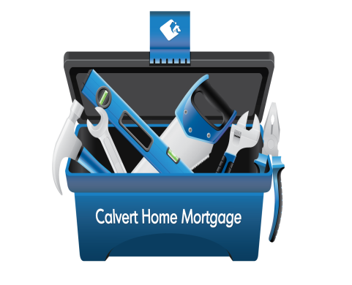 | Investment Corporation

 | Debt Consolidation Tool
 | For Mortgage Brokers

 | CHMIC Version 2.0
 | For more information about Calvert Home Mortgage Investment Corporation please visit our web site.
 |  | www.chmic.ca

 |  |  | © 2015 Calvert Home Mortgage Investment Corporation. All rights reserved.

Instructions
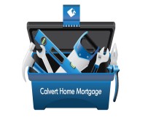
Debt Consolidation Tool Kit Instructions

Introduction

This spreadsheet is designed to assist individuals in understanding their debts and helping them to better understand the cost of credit and how to lower monthly payments and improve their credit scores.

1 |  | Debt Calculator

The first step is to list all of your credit cards, lines of credit, car loans, including your interest rates and monthly payments .

1 | Gather all of your credit card statements, lines of credits, car loans, departments store loans and any other peronal debts you have.

2 | In part 1 'List of Debts' write down all relevant information related to each type of debt you have.

3 | Enter the estimated value of your property and the debts currently on your property.
4 | There are four options that can be used to consolidate debt including:
 |  | New first mortgage on your personal residence;
 |  | New second mortgage on your personal residence
 |  | New line of credit (either secured on unsecured);
 |  | New lower rate credit card.
5 | In each of the options there is a summary of the saving each option will provide in monthly payment and the blended interest rate for each option.

2 |  | Credit tips

This section is designed to provide you with good tips in managing your credit and debts.

3 |  | Monthly Budget

This section is important for you to fill out completely and accurately. Knowing where you are right now is an important first step debt controla nd maintaing good credit.

4 |  | Credit Request

You can print, complete and send each of the credit request forms included here from Equifax and TransUnion.

